Unit Testing
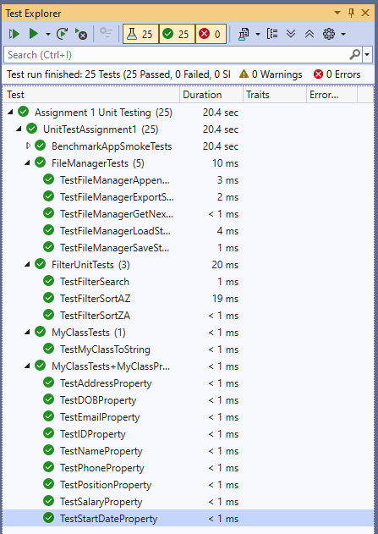
Test Number | Test Case | Class | Input | Output | Pass/Fail
TC_UT_01 | Check if the ID property correctly assigns the provided string. | MyClass | ID: "1" | A Id object with its ID field initialized with “1” | Y
TC_UT_02 | Check if the Name property correctly assigns the provided string. | MyClass | Name: "Alice Johnson" | A Person object with its Name field initialized with “Alice Johnson” | Y
TC_UT_03 | Check if the Position property correctly assigns the provided string. | MyClass | Position: "Manager" | A Person object with its Position field initialized with “Manager” | Y
TC_UT_04 | Check if the Email property correctly assigns the provided string. | MyClass | Email: "alice@example.com" | A Person object with its Email field initialized with “alice@example.com” | Y
TC_UT_05 | Check if the Phone property correctly assigns the provided string. | MyClass | Phone: "123-4567" | A Person object with its Phone field initialized with “123-4567” | Y
TC_UT_06 | Check if the DOB property correctly assigns the provided string. | MyClass | DOB: "1/1/2000" | A Person object with its DOB field initialized with “1/1/2000” | Y
TC_UT_07 | Check if the Salary property correctly assigns the provided string. | MyClass | Salary: "85000" | A Person object with its Salary field initialized with “85000” | Y
TC_UT_08 | Check if the StartDate property correctly assigns the provided string. | MyClass | StartDate: "1/1/2020" | A Person object with its StartDate field initialized with “1/1/2020” | Y
TC_UT_09 | Check if the Address property correctly assigns the provided string. | MyClass | Address: "123 Main St, Town" | A Person object with its Address field initialized with “123 Main St, Town” | Y
TC_UT_10 | Check if the ToString method correctly returns the staff’s name and position in the expected format. | MyClass | Name: "Bob Smith", Position: "Administrator" | String: "Bob Smith, (Administrator)" | Y
TC_UT_11 | Check if LoadStaff correctly loads staff data from a file containing two records. | FileManager | File: "staff.txt" with 2 staff entries | List<MyClass> with Count = 2 | Y
TC_UT_12 | Check if AppendStaffToFile correctly adds a new staff member to the file. | FileManager | MyClass object with ID = 3 and other details | File updated with an additional record, total lines = 3 | Y
TC_UT_13 | Check if ExportStaff correctly writes a staff member's details to a specified file. | FileManager | MyClass object with Name = "Dora" and export path "export_test.txt" | Text file created containing "Dora" | Y
TC_UT_14 | Check if GetNextID returns the next available ID based on existing records. | FileManager | No input (reads from file) | Integer value = 3 | Y
TC_UT_15 | Check if SaveStaffToFile correctly writes the provided staff list to the file. | FileManager | List<MyClass> containing 1 record with ID = 100 | File updated with 1 line starting "100|New Guy" | Y
TC_UT_16 | Check if SortAZ correctly arranges the staff list in ascending alphabetical order by Name. | Filter | List<MyClass> in random order | List<MyClass> sorted A–Z | Y
TC_UT_17 | Check if SortZA correctly arranges the staff list in descending alphabetical order by Name. | Filter | List<MyClass> in random order | List<MyClass> sorted Z–A | Y
TC_UT_18 | Check if Search returns all staff members whose Name contains the specified substring. | Filter | List<MyClass> with names Alice, Bob, Charlie, Diana and search term "a" | List containing Alice, Charlie, Diana but not Bob | Y

 | The test code can be found in UnitTests.cs (inside the UnitTestAssignment1 folder)
 | Here’s a screenshot of the test results

